1. Title Page
[Project Name]

Project Name: Instacart Grocery Basket Analysis
Date: August 4th, 2022
Analyst Name:

Contents:
Population Flow
Consistency checks
Wrangling steps
Column derivations
Visualizations
Recommendations

2. Population Flow
Title page

Population flow

Exclusion flag
Condition: max_order <
Obervations to be removed:
Final total count of order_products_all:

Orders_products_combined
Orders_products_merged
Orders_products_all

Total: 32,404,859
Total: 32,434,489
Total: 30,964,564

1.) The grey boxes in the first row of the population flow represent the original data sets as they were when you downloaded them. In the Total fields you need to add the count of the rows when you imported the data set into Jupyter.
2.) The second row of boxes (coloured) represents the data sets after you manipulated them, e.g., removed missing values and duplicates. In the Total fields you need to add the count of the rows after conducting these operations. This offers a visual oveview of how the data flows throughout the data consistency checks.
3.) The third row, where also the arrows are coloured, represents the merges you performed between the datasets. In the Total fields you need to add the count of the rows in the merged datasets, so that you end up with the final dataset (in the red box). Keep in mind the final dataset should be without exclusions (based on the exclusion flag).

3. Consistency checks
 |  |  |  | Title page
Consistency checks

Dataset | Missing values | Missing values treatment | Duplicates
orders | 206209 (days_since_prior_order) | Nothing was done since the total represents only the 6.02%
products | 16 | product_name
 |  |  | 6 dups (df_prods dataframe)
orders_products_prior
customers | 11,259 (first_name) | Nothing was done since ultimately such missing values didn't affect the analysis itself

4. Wrangling steps
 |  |  |  | Title page
Wrangling steps

Columns dropped | Columns renamed | Columns' type changed | Comment/Reason
Unnamed: 0 |  |  | It corresponded to the user_id
 | order_dow --- order_day_pf_week |  | To make column title clearer

5. Column derivations
 |  |  |  | Title page

Column derivations and aggregations

In this tab you should add tables below that the frequences of flags/label variables that you produced after deriving them. NB: don't do this for continuous variables, only for flags.
Dataset | New column | Column/s it was derived from | Code
ords_prods_merged | _merge | When ords and prods dataframes were combined | df_merged_large = df_ords.merge(df_ords_prior, on = 'order_id', indicator = True)
 | price_range | df['price_range'] is to create the column 'price_range' within the df (subset) dataframe; | def price_label(row): if row['prices'] <= 5: return 'Low-range product' elif (row['prices'] > 5) and (row['prices'] <= 15): return 'Mid-range product' elif row['prices'] > 15: return 'High range' else: return 'Not enough data'
 |  | # Then, 'apply' the 'price_label' function on 'axis=1' that means that the function will be applied to all rows within the dataframe ('axis=0' would refer to columns in the dataframe) ) | df['price_range'] = df.apply(price_label, axis=1)
 | price_range_loc | If the values in 'prices' column of the 'df' dataframe are greater than '15', (after the come 'then' is implied) here a new column called 'price_range_loc' is being set equal to the string 'High-range product' | ords_prods_merged.loc[ords_prods_merged['prices'] > 15, 'price_range_loc'] = 'High-range product'
 | busiest_day | Create a column called ' busiest_day' that list the following values: 'Busiest Day', 'Least Busy', and 'Regular Busy'. | result = [] for value in ords_prods_merged["order_day_of_week"]: if value == 0: result.append("Busiest day") elif value == 4: result.append("Least busy") else: result.append("Regularly busy")
 |  |  | ords_prods_merged['busiest_day'] = result
 | busiest_days | # Creating for loop to list days of the week | result_2 = [] for value in ords_prods_merged['order_day_of_week']: if value in [0,1]: result_2.append('Busiest days') elif value in [3,4]: result_2.append('Slowest days') else: result_2.append('Intermediately busy days')
 |  | # Deriving 'busiest_days' column | ords_prods_merged['busiest_days'] = result_2
 | busiest_period_of_day | dentify the busiest hours of the day, rathen than by hour | result_3 = [] for value in ords_prods_merged['order_hour_of_day']: if value>=9 and value<=16: result_3.append("Most orders") elif value<=6: result_3.append("Fewest orders") else: result_3.append("Average orders")
 |  | # Deriving 'busiest_period_of_day' column | ords_prods_merged['busiest_period_of_day'] = result_3
 | max_order | # Create 'max_order' column (all the three steps can be included in a single line of code) | ords_prods_merge['max_order'] = ords_prods_merge.groupby(['user_id'])['order_number'].transform(np.max)
 | loyalty_flag | Assign a loyalty flag to each customer ID based on corresponding 'max_column' value | ords_prods_merge.loc[ords_prods_merge['max_order'] > 40, 'loyalty_flag'] = 'Loyal customer'
 | average_expenditure | Determine the prices if products purchased by loyal customers differ from the other two types of customers | ords_prods_merge['average_expenditure'] = ords_prods_merge.groupby(['user_id'])['prices'].transform(np.mean)
 | expenditure_flag | products purchased by loyal customers differ from those purchased by the other two types or customers | ords_prods_merge.loc[(ords_prods_merge['average_expenditure'] >= 10), 'expenditure_flag'] = 'High Spender'
 | purchase_frequency | Create an order frequency flag that marks the regularity of user's ordering behaviour according to median in the 'days_since_prior_order column | ords_prods_merge['purchase_frequency'] = ords_prods_merge.groupby(['user_id'])['days_since_prior_order'].transform(np.median)
 | frequency_flag |  | ords_prods_merge.loc[(ords_prods_merge['purchase_frequency'] > 20), 'frequency_flag'] = 'Non-Frequent Cusotmer'
 | prices | Odd values in 'prices' (that should have been cleaned in the Consistency Checks stage) | ords_prods_merge.loc[ords_prods_merge['prices'] > 100, 'prices'] = np.nan
ords_prods_cust_2 | region | Creating region labels from 'Region 1' to 'Region 4' | ords_prods_cust_2.loc[ords_prods_cust_2['state'].isin(['Maine', 'New Hampshire', 'Vermont', 'Massachusetts', 'Rhode Island', 'Connecticut', 'New York', 'Pennsylvania', 'New Jersey']), 'region'] = 'Region 1'
 | activity_flag | customers who don’t generate much revenue for the app | ords_prods_cust_2.loc[ords_prods_cust_2['max_order'] < 5, 'activity_flag'] = 'Low activity'
regular_activity_cust | age_profile | Create profiling variable based on age | regular_activity_cust.loc[(regular_activity_cust['age'] <= 29), 'age_profile'] = 'Young adult'
 | income_profile | Income profile | regular_activity_cust.loc[(regular_activity_cust['income'] <= 53243), 'income_profile'] = 'Low income'
regular_activity_cust_2 | dependants_profile | Dependants profile | regular_activity_cust_2.loc[(regular_activity_cust_2['dependants_num'] == 0), 'dependants_profile'] = 'No dependants'

6. Visualizations
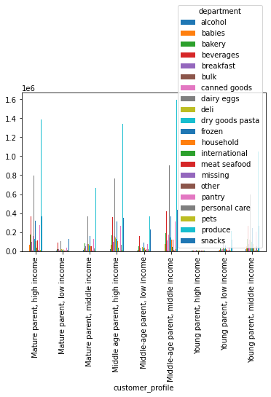
 |  | Title page

Visualisations

In this tab you should include all the visualtions from Exercises 4.9 and 4.10, alongside the questions from the project brief that they answer. Include any commentary on the relationship between different variables.

Task 9 (I & II)
Bar charts to determine how the observations in data set (datframe) are distributed among the categories of a variable.
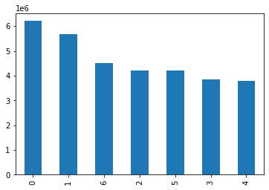

If the largest-to-smalles order is not wanted, the 'dort_index()' funciton helps to sort bars according to their index order
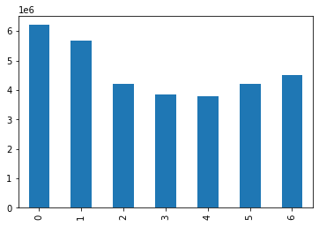

Adding color to the bars by adding a 'color' argument in 'plot.bar()' function, and listing the colors in a custom list
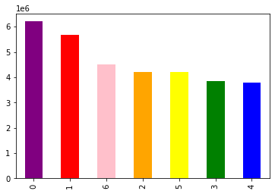

The code above generated a preview for the visualization but it's not actually saved in Jupyter's memory. Update command to change this

Histogram of the 'prices' column
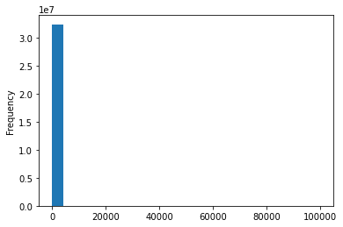

Scatterplot for 'prices' column against itself to reveal outliers.
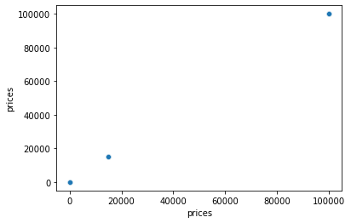

After cleaning the data, try again the histogram
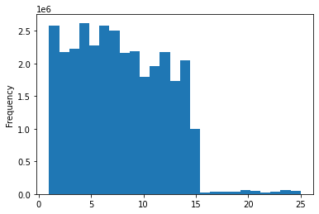

To increase granularity
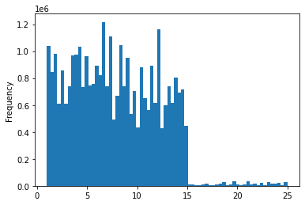

Development of the 'prices' column across the days of the week
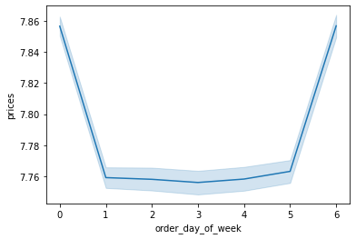

Creating a histogram
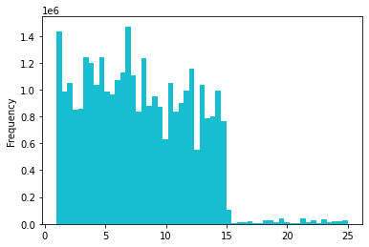

Creating a scatterplot as 'scatt' for 'prices' column against itself
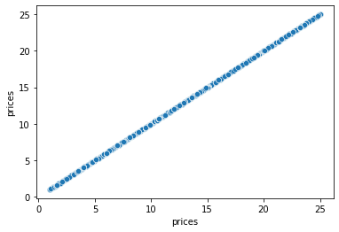

Create a line chart using a sample subset for the line chart
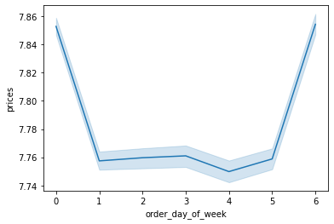

Create a histogram of the 'order_hour_of_day' variable.
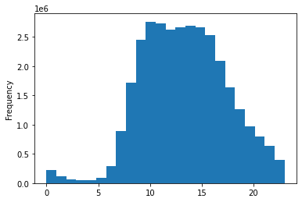

Create a bar chart from the 'loyalty_flag' column
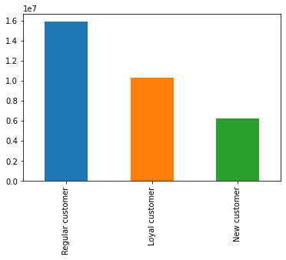

Check whether there's a difference in expenditure ('prices') depending of the hour of the day ('orderd_hour_of_day')
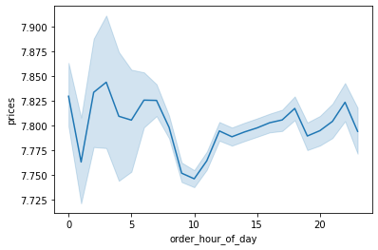

Conduct an exploratory analysis of customer demographics to inform the targeted marketing campaigns.
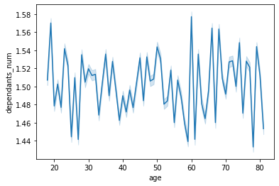

Explore whether there's connection between the age and spending power ('income'). Visualize this by creating a scatterplot ('sns.scatterplot()' function).
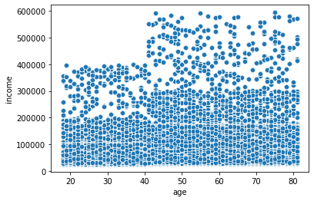

 | Task 4.10

Customer profiles distributions
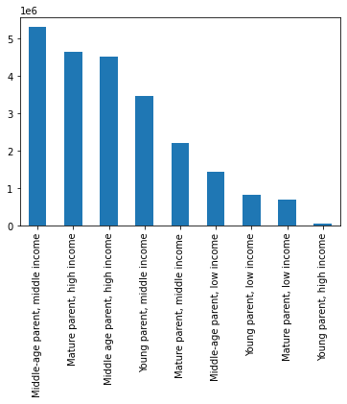

Regions' size markett
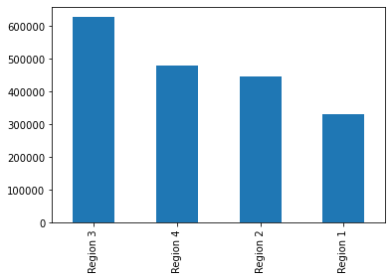

Age across regions
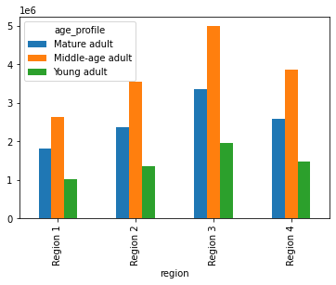

Ages across regions
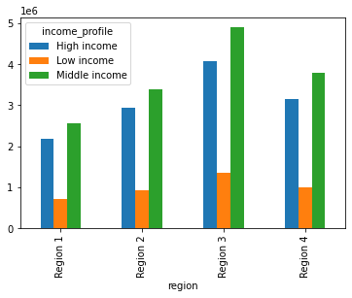

Income concentration
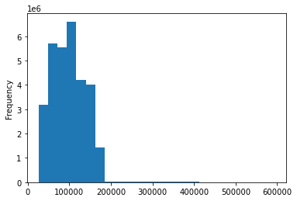

Dependants distribution
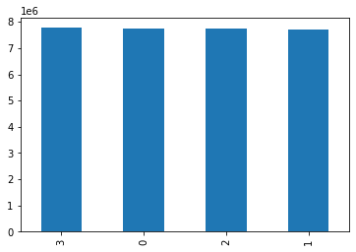

Customer profiles distribution by regions
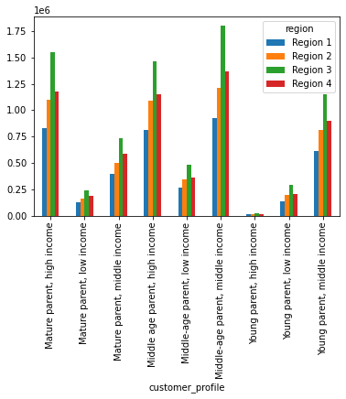

Most engaged departments by customers

